SERVICE CATALOG
 | 
TURKISH PETROLEUM
RESEARCH AND DEVELOPMENT CENTER

2026
SERVICE CATALOG

APPLICATION: | TÜRKİYE PETROLLERİ ANONİM ORTAKLIĞI GENEL MÜDÜRLÜĞÜ AR-GE MERKEZİ DAİRE BAŞKANLIĞI TEKNİK HİZMETLER MÜDÜRLÜĞÜ - NUMUNE KABUL
ADDRESS: | Söğütözü Mahallesi, Nizami Gencevi Caddesi, No. 10, 06530 Çankaya / ANKARA
TELEPHONE: | +90 (312) 207 25 00
E_MAIL: | argetalep@tpao.gov.tr

APPX.-9 DECISION RULE
 | DECISION RULE | Document Code | P.7.1.EK-9
 |  | Effective Date | 2020-10-20
 |  | Rev. Date/Number | 12.04.2021/01
 |  | Page Number | 1 / 1

Evaluation of the MEASUREMENT RESULT ± UNCERTAINTY value when applying the Decision Rule: It is implemented in occordance with Turkish Accreditation Agency (TURKAK) ILAC G8 Decision Rules and Declaration of Conformity Guidance. Analysis results produced in ARGEM Laboratories have adopted the SIMPLE ACCEPTANCE RULE (ILAC G8 4.2.1) when a conformity assessment is requested. Decision Rules establish a binary decision rule of "pass or fail" when the outcome is limited to two options.
Declarations of conformity according to the Simple Acceptance Rule are reported as follows: • PASS (SUITABLE): Cases where the measured value is below the acceptance limit (lower/upper specification) given in the standard or specification. • FAIL (NOT SUITABLE): Cases where the measured value is above the acceptance limit (lower/upper specification) given in the standard or specification.
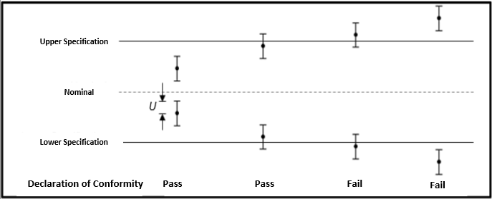
ILAC G8. Figure 3: Graphical Representation of the Dual Declaration.
 |  | I have read and accepted.

